Statepoint Summary
 | Liquid |  | Vapor |  |  |  | Melt
81.129 | 0.53065 | 430.62 | 0.53065 | 220.11 | 4.85 | 80.062 | 0.55536
83.091 | 0.55397 | 430.99 | 0.55397 | 228.44 | 19.136562064 | 80.225 | 0.78926
85.056 | 0.57805 | 431.34 | 0.57805 | 228.44 | 19.136562064 | 80.389 | 1.0233
87.023 | 0.60291 | 431.69 | 0.60291 | 228.44 | 14.936562064 | 80.554 | 1.2574
88.994 | 0.62857 | 432.03 | 0.62857 | 228.44 | 5 | 80.718 | 1.4916
90.967 | 0.65504 | 432.36 | 0.65504 | 228.44 | 5 | 80.883 | 1.726
92.943 | 0.68234 | 432.68 | 0.68234 | 228.44 | 5 | 81.047 | 1.9604
102.87 | 0.83184 | 434.13 | 0.83184 | 220.11 | 4.9 | 81.212 | 2.195
112.9 | 1.0045 | 435.32 | 1.0045 |  |  | 81.875 | 3.1344
123.05 | 1.2024 | 436.23 | 1.2024 |  |  | 82.541 | 4.0757
133.34 | 1.4278 | 436.82 | 1.4278 |  |  | 83.21 | 5.0188
143.79 | 1.6827 | 437.06 | 1.6827 |  |  | 83.883 | 5.9637
154.45 | 1.9696 | 436.89 | 1.9696 |  |  | 84.559 | 6.9104
165.34 | 2.2908 | 436.27 | 2.2908 |  |  | 85.239 | 7.8589
176.52 | 2.6487 | 435.14 | 2.6487 |  |  | 85.921 | 8.8092
188.05 | 3.0459 | 433.38 | 3.0459 |  |  | 86.607 | 9.7614
200 | 3.4851 | 430.89 | 3.4851 |  |  | 87.296 | 10.715
212.5 | 3.9695 | 427.48 | 3.9695 |  |  | 87.987 | 11.671
225.73 | 4.5022 | 422.88 | 4.5022 |  |  | 88.682 | 12.629
239.99 | 5.0871 | 416.64 | 5.0871 |  |  | 89.38 | 13.588
255.87 | 5.7291 | 407.87 | 5.7291 |  |  | 90.08 | 14.549
274.78 | 6.4342 | 394.43 | 6.4342 |  |  | 90.784 | 15.512
304.55 | 7.2137 | 365.13 | 7.2137 |  |  | 91.49 | 16.477
305.63 | 7.2302 | 363.86 | 7.2302 |  |  | 92.199 | 17.444
306.77 | 7.2467 | 362.5 | 7.2467 |  |  | 92.91 | 18.412
308 | 7.2633 | 361.02 | 7.2633 |  |  | 93.625 | 19.383
309.33 | 7.28 | 359.39 | 7.28 |  |  | 94.342 | 20.355
310.81 | 7.2967 | 357.57 | 7.2967 |  |  | 95.061 | 21.329
312.47 | 7.3134 | 355.48 | 7.3134 |  |  | 95.783 | 22.304
314.42 | 7.3302 | 353.02 | 7.3302 |  |  | 96.508 | 23.282
316.84 | 7.3471 | 349.91 | 7.3471 |  |  | 97.235 | 24.261
320.32 | 7.364 | 345.41 | 7.364 |  |  | 97.965 | 25.243
320.8 | 7.3657 | 344.79 | 7.3657 |  |  | 98.697 | 26.226
321.33 | 7.3674 | 344.11 | 7.3674 |  |  | 99.431 | 27.21
321.92 | 7.3691 | 343.35 | 7.3691 |  |  | 100.17 | 28.197
322.6 | 7.3708 | 342.49 | 7.3708 |  |  | 100.91 | 29.186
323.41 | 7.3725 | 341.48 | 7.3725 |  |  | 101.65 | 30.176
324.44 | 7.3742 | 340.2 | 7.3742 |  |  | 102.39 | 31.168
326.02 | 7.3759 | 338.32 | 7.3759 |  |  | 103.14 | 32.162
326.24 | 7.3761 | 338.06 | 7.3761 |  |  | 106.9 | 37.159
326.49 | 7.3762 | 337.78 | 7.3762 |  |  | 110.72 | 42.201
326.77 | 7.3764 | 337.46 | 7.3764 |  |  | 114.59 | 47.288
327.1 | 7.3766 | 337.1 | 7.3766 |  |  | 118.5 | 52.421
327.48 | 7.3768 | 336.67 | 7.3768 |  |  | 122.46 | 57.599
327.97 | 7.3769 | 336.15 | 7.3769 |  |  | 126.47 | 62.823
328.66 | 7.3771 | 335.4 | 7.3771 |  |  | 130.52 | 68.092
330.22 | 7.3773 | 333.93 | 7.3773 |  |  | 134.62 | 73.407
 |  |  |  |  |  | 138.75 | 78.767
 |  |  |  |  |  | 142.92 | 84.172
 |  |  |  |  |  | 147.14 | 89.622
...
Input Parameters
PUMP SPEED - RPM | 2500 |  | Click button to update pump curve
Pump Inlet Pressure (Bar) | 48.5 |  |  |  |  |  |  |  |  |  |  | convert pump mass flow to lb/h
Pump Inlet Temp (*C) | 15 |  |  |  |  |  |  |  |  |  |  | 95239.2 |  |  |  |  |  | Temp (*C) | Press (Bar)
Test section mass flow (kg/s) | 4 |  |  |  |  |  |  |  |  |  |  |  |  |  |  |  |  | Enthalpy (kJ/kg) | m_dot (kg/s)
Test section P inlet (Bar) | 50 |  |  |  |  |  |  |  |  |  |  | Pump Outlet Pressure, psi
Valve 2 dP (Bar) | 99.365620639 | Calculated to reach test section P |  |  |  |  |  |  |  |  |  | 2775.5236697
Valve 1 dP (Bar) | 42
Test Section dP (Bar) | 2
Cooler CO2 dP (Bar) | 1
Cooler power (kW) | 100
Recycle mass flow (kg/s) | 8
Recycle dP (Bar) | 2
Pump Iterate
Vol Flow Rate Guess | 43.88
Vol Flow Rate n+1 | 299.94966632

Sunshot CO2 Pump
Recycle valve
Cooler
Test Section
Valve 2 - 1/2" globe
Valve 1 - 1/2" globe
 |  |  |  |  |  | 16.20 | 149.37 | Subcooled liquid |  |  | 11.30 | 50.00 | Subcooled liquid
 |  |  |  |  |  | 228.44 | 4.00 |  |  |  | 228.44 | 4.00 | x = | #State is single phase, quality not calculated

 |  |  |  |  | DP |  |  |  |  | DP |  |  |  |  |  | DP

 |  | 17.21 | 191.37 | Subcooled liquid |  |  |  |  |  |  |  |  |  |  | 11.30 | 50.00 | Subcooled liquid
 |  | 228.44 | 4.00 |  |  |  |  |  |  |  |  |  |  |  | 228.44 | 4.00

 |  |  |  |  |  | 17.21 | 191.37 |  | DP |  | 17.17 | 189.37
 |  |  |  |  |  | 228.44 | 8.00 |  |  |  | 228.44 | 8.00

 |  | 17.21 | 191.37 | Subcooled liquid |  |  |  |  |  |  |  |  |  |  | 11.30 | 50.00 | Subcooled liquid
 |  | 228.44 | 12.00 |  |  |  |  |  |  |  |  |  |  |  | 228.44 | 12.00

Cooler exit should be >13C (ideally as high as 20C). Spec'd for 37C in, 20C out. Designed for 84 bar
 |  |  |  |  | 15.00 | 48.50 | Subcooled liquid |  |  |  |  | 8.33 | 49.00 | Subcooled liquid
 |  |  |  |  | 220.11 | 12.00 |  |  |  |  |  | 220.11 | 12.00
Pump needs liquid inlet and a temperature close to cooler exit

 |  | Enthalp | Pressure | Pressure Mpa
 |  | 220.11 | 48.50 | 4.85
 |  | 228.44 | 191.37 | 19.136562064
 |  | 228.44 | 191.37 | 19.136562064
 |  | 228.44 | 149.37 | 14.936562064
 |  | 228.44 | 50.00 | 5
 |  | 228.44 | 50.00 | 5
 |  | 228.44 | 50.00 | 5
 |  | 220.11 | 49.00 | 4.9

Sunshot pump
 |  | Temperature [C] | Pressure [Bar] | Enthalpy [kJ/kg] | Entropy [kJ/kg-K] | State | Density [kg/m^3] | Specific Gravity | Specific Heat (kJ/kg*C) | Volumetric Flow Rate [m^3/s] | Volumetric Flow Rate [m^3/hr] |  | Fluid
 |  |  |  |  |  |  |  |  |  |  |  |  | CO2
 | Pump Inlet | 15.00 | 48.50 | 220.11 | 1.07 | Subcooled liquid | 144.02 | 1.52 | 2.55 | 0.0833 | 299.9497 |  | Flow Rate [kg/s]
 | Pump Outlet | 17.21 | 191.37 | 228.44 | 1.04 | Subcooled liquid | 944.59 | 1.52 | 2.08 | 0.01270 | 45.73406649 |  | 12.00

 |  |  |  | 2048.013939
 |  |  | headrise calc |  |  | headrise calc |  | headrise calc | Desired head | Required speed | Volume Flow
 |  | 43.88 | 1423.6303816 |  |  | 2048.013939 |  | 958.10947904 | 1200 | 2736.5300094 | 209.75501141

Update with equation from chart when changing RPM
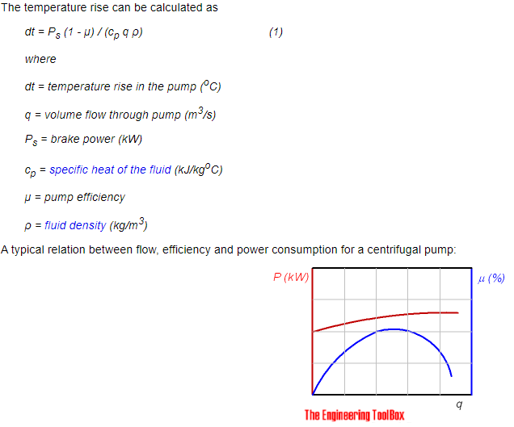
 | Speed | Flow | Head |  | Speed | Flow | Head |  | Speed | Flow | Head
 | rpm | m^3/hr | m |  | rpm | m^3/h | m |  | rpm | m^3/h | m
 | 3000 | 0 | 1446.613085 |  | 3575 | 2.5204969104 | 2065.7463809 |  | 2500 | 1.762585252 | 1010.1943278
 |  | 8.5544599495 | 1474.2154535 |  |  | 4.9052390564 | 2075.9949447 |  |  | 3.4302371024 | 1015.2060955 |  |  | Efficiency Calc |  |  | Power Calc
 |  | 17.108919899 | 1477.9501441 |  |  | 7.2902264101 | 2082.8273205 |  |  | 5.0980604266 | 1018.547274 |  |  | 42.555723832 |  |  | 112.78864787
 |  | 25.663379848 | 1468.0338966 |  |  | 9.6752137638 | 2089.6596964 |  |  | 6.7658837509 | 1021.8884524
Pump Characteristic
 |  | 34.217839798 | 1440.9895854 |  |  | 12.060364589 | 2094.2146136 |  |  | 8.433821391 | 1024.1159047 |  | Flow m^3/h | Efficiency % |  | Flow m^3/h | Power kW
 |  | 42.772299747 | 1417.4653274 |  |  | 14.445564456 | 2098.0862932 |  |  | 10.101793326 | 1026.0092392 |  | 2.6716925019 | 4.0558661393 |  | 30.253561197 | 506.13041382
 |  | 51.326759697 | 1387.0512092 |  |  | 16.830911448 | 2099.9082601 |  |  | 11.769868145 | 1026.9002201 |  | 4.1912753897 | 6.3019585195 |  | 32.63763616 | 519.98636785
 |  | 59.881219646 | 1349.8545494 |  |  | 19.216389217 | 2099.9082601 |  |  | 13.438034417 | 1026.9002201 |  | 5.7106022356 | 8.4051329838 |  | 35.021711123 | 533.84232189
Flow vs Head - 3575 rpm
 |  | 68.435679596 | 1302.3982223 |  |  | 21.602112193 | 2096.4920722 |  |  | 15.106372163 | 1025.2296309 |  | 7.3383020031 | 10.57456992 |  | 37.4054594 | 545.87477238
 |  | 76.990139545 | 1241.2694935 |  |  | 23.987818822 | 2093.3036301 |  |  | 16.774698477 | 1023.6704143 |  | 9.074496312 | 12.878155338 |  | 39.78888099 | 556.08371933
 |  | 85.544599495 | 1159.6643576 |  |  | 26.37359084 | 2089.2042046 |  |  | 18.443070518 | 1021.6657072 |  | 10.810444181 | 15.044182262 |  | 42.172547595 | 567.66029393
 |  | 94.099059444 | 1054.2344713 |  |  | 28.7594119 | 2084.4215416 |  |  | 20.111476853 | 1019.3268823 |  | 12.654773505 | 17.281235588 |  | 44.556949245 | 583.33975151
 |  |  |  |  |  | 31.145314695 | 2078.5001492 |  |  | 21.779940346 | 1016.4311943 |  | 14.607277675 | 19.473988499 |  | 46.940860864 | 596.28395377
Flow vs Head - 3000 rpm
 |  |  |  |  |  | 33.531201144 | 2072.8065026 |  |  | 23.448392408 | 1013.6468789 |  | 16.559582701 | 21.55558303 |  | 49.32452747 | 607.86052837
 |  |  |  |  |  | 35.917234717 | 2065.0631433 |  |  | 25.116947354 | 1009.86021 |  | 18.728648376 | 23.777967203 |  | 51.708030732 | 618.52535121
 |  |  |  |  |  | 38.303268289 | 2057.3197841 |  |  | 26.7855023 | 1006.073541 |  | 21.114174175 | 25.973392918 |  | 54.091615665 | 629.64604993
 |  |  |  |  |  | 40.689399945 | 2048.2099496 |  |  | 28.454125836 | 1001.6186364 |  | 23.499585919 | 28.105155197 |  | 56.475935643 | 644.86963162
 |  |  |  |  |  | 43.075498907 | 2039.5556069 |  |  | 30.122726508 | 997.38647703 |  | 25.884736966 | 30.091401054 |  | 58.859765591 | 657.35795799
 |  |  |  |  |  | 45.461597868 | 2030.9012641 |  |  | 31.791327181 | 993.15431764 |  | 28.26964361 | 31.941225263 |  | 61.243350525 | 668.47865671
 |  |  |  |  |  | 47.847729524 | 2021.7914297 |  |  | 33.459950716 | 988.69941303 |  | 30.654387317 | 33.700101707 |  | 63.554341678 | 677.23095399
Flow vs Power
 |  |  |  |  |  | 50.233926569 | 2011.7706118 |  |  | 35.128619978 | 983.79901795 |  | 33.038919208 | 35.340746057 |  | 66.010683735 | 691.63180592
 |  |  |  |  |  | 52.620156308 | 2001.2943022 |  |  | 36.797312103 | 978.67587764 |  | 35.423320751 | 36.908632196 |  | 68.394840369 | 705.94363584
 |  |  |  |  |  | 55.006353352 | 1991.2734843 |  |  | 38.465981365 | 973.77548256 |  | 37.807591945 | 38.403760123 |  | 70.778833661 | 719.34371399
 |  |  |  |  |  | 57.392713869 | 1978.9752078 |  |  | 40.134764943 | 967.76136133 |  | 40.191716496 | 39.817035061 |  | 73.162336923 | 730.00853682
 |  |  |  |  |  | 59.779008996 | 1967.5879147 |  |  | 41.803502795 | 962.19273056 |  | 42.575515177 | 41.048414471 |  | 75.546003528 | 741.58511143
 |  |  |  |  |  | 62.165255082 | 1956.8838592 |  |  | 43.472206351 | 956.95821763 |  | 44.959346444 | 42.297983433 |  | 77.929588462 | 752.70581015
 |  |  |  |  |  | 64.551599252 | 1944.8133286 |  |  | 45.140978498 | 951.05546901 |  | 47.193214795 | 43.507099896 |  | 80.313826768 | 767.47351595
 |  |  |  |  |  | 66.937976115 | 1932.2873062 |  |  | 46.809773507 | 944.92997517 |  | 49.726478895 | 44.501237963 |  | 82.697411701 | 778.59421467
 |  |  |  |  |  | 69.324451062 | 1918.3948087 |  |  | 48.478637106 | 938.13624562 |  | 54.493205092 | 46.4777294 |  | 85.080996635 | 789.71491339
 |  |  |  |  |  | 71.710909661 | 1904.730057 |  |  | 50.147489273 | 931.4538887 |  | 56.876368323 | 47.354412527 |  | 87.464254882 | 799.01210857
 |  |  |  |  |  | 74.097466343 | 1889.6988302 |  |  | 51.81641003 | 924.10329608 |  | 59.259352325 | 48.131053113 |  | 89.847839816 | 810.13280729
 |  |  |  |  |  | 76.484072067 | 1873.9843657 |  |  | 53.485365082 | 916.41858562 |  | 61.642140803 | 48.798556381 |  | 92.231833107 | 823.53288544
 |  |  |  |  |  | 78.870808569 | 1856.4479344 |  |  | 55.154411586 | 907.84289423 |  | 64.025108511 | 49.56610219 |  | 94.615418041 | 834.65358416
 |  |  |  |  |  | 81.257528723 | 1839.139249 |  |  | 56.823446659 | 899.37857546 |  | 66.407848109 | 50.206321129 |  | 96.998512945 | 843.03902756
 |  |  |  |  |  | 83.644363307 | 1820.2363425 |  |  | 58.492561753 | 890.13464838 |  | 68.790408478 | 50.746497527 |  | 99.38217955 | 854.61560217
 |  |  |  |  |  | 86.031328669 | 1799.5114691 |  |  | 60.1617683 | 879.99974037 |  | 71.172952553 | 51.277579148 |  | 101.76527445 | 863.00104557
 |  |  |  |  |  | 88.418343072 | 1778.1033581 |  |  | 61.831009141 | 869.53071452 |  | 73.555333693 | 51.717713005 |  | 104.14869604 | 873.20999252
 |  |  |  |  |  | 90.805569989 | 1753.734551 |  |  | 63.500398594 | 857.61384467 |  | 75.937649658 | 52.121467756 |  | 106.53195429 | 882.5071877
 |  |  |  |  |  | 93.19271517 | 1730.5044731 |  |  | 65.169730888 | 846.2538379 |  | 78.319851568 | 52.461559071 |  | 108.91537588 | 892.71613465
 |  |  |  |  |  | 95.580187294 | 1702.719478 |  |  | 66.839291814 | 832.66637882 |  | 80.701923129 | 52.728892175 |  | 110.32335301 | 896.46931478
 |  |  |  |  |  | 97.967806542 | 1672.8847702 |  |  | 68.508955624 | 818.0765662 |  | 83.083880636 | 52.932561843
 |  |  |  |  |  | 100.35558926 | 1640.7726038 |  |  | 70.17873375 | 802.37302742 |  | 85.465740381 | 53.081662853
 |  |  |  |  |  | 102.74353546 | 1606.3829787 |  |  | 71.848626192 | 785.55576249 |  | 87.847502364 | 53.176195204
 |  |  |  |  |  | 105.13171051 | 1568.8049116 |  |  | 73.518678677 | 767.17928095 |  | 90.229101412 | 53.17977979
Flow vs Efficiency
 |  |  |  |  |  | 107.52008173 | 1528.4938942 |  |  | 75.18886834 | 747.46632802 |  | 92.610602699 | 53.128795717
 |  |  |  |  |  | 109.03995482 | 1502.8345271 |  |  | 76.251716654 | 734.91834668 |  | 94.992006224 | 53.023242986
 |  |  |  |  |  |  |  |  |  |  |  |  | 97.373149051 | 52.772173831
 |  |  |  |  |  |  |  |  |  |  |  |  | 99.754194118 | 52.466536017
 |  |  |  |  |  |  |  |  |  |  |  |  | 102.13502737 | 52.04266611
 |  |  |  |  |  |  |  |  |  |  |  |  | 104.51561621 | 51.482374555
 |  |  |  |  |  |  |  |  |  |  |  |  | 106.89607471 | 50.849324788
 |  |  |  |  |  |  |  |  |  |  |  |  | 109.27633769 | 50.107137704
 |  |  |  |  |  |  |  |  |  |  |  |  | 110.5746748 | 49.708922768

 | Spec sheet suction pressure: |  | 80 | barg
 | Spec operating temp |  | 10 | C |  |  |  |  | y = -0.0684x2 | 1.8122x | 1010.3
 | Operating density |  | 903.1331692 | kg/m3 |  |  |  |  |  | 1.812
 | Operating SG |  | 0.83
 | 2000 |  |  |  |  |  | 2500 |  |  |  |  |  | 3000 |  |  |  |  |  | 3575 |  |  |  |  |  | 4000
R | Q [m3/hr] | Wc [kg/s] | Head [m] | PR | Eff | R | Q [m3/hr] | Wc [kg/s] | Head [m] | PR | Eff | R | Q [m3/hr] | Wc [kg/s] | Head [m] | PR | Eff | R | Q [m3/hr] | Wc [kg/s] | Head [m] | PR | Eff | R | Q [m3/hr] | Wc [kg/s] | Head [m] | PR | Eff
0.83333333333 | 50.800318875 | 12.744292495 | 548.87286059 | 1.5586359366 | 45.421586407 | 0.92857142857 | 50.147489273 | 12.580516921 | 931.4538887 | 1.9480221247 | 45.134477654 | 0.91666666667 | 50.164203354 | 12.584709988 | 1385.557532 | 2.4102031366 | 45.141906065 | 0.91666666667 | 50.233926569 | 12.602201473 | 2011.7706118 | 3.0475549816 | 45.172849746 | 0.91666666667 | 50.866123489 | 12.76080092 | 2542.4750532 | 3.5876993282 | 45.450181888
1 | 52.13578471 | 13.079321243 | 541.60245626 | 1.5512362099 | 45.989633043 | 1 | 51.81641003 | 12.999199613 | 924.10329608 | 1.9405407835 | 45.856128632 | 1 | 52.166647622 | 13.087063831 | 1378.0198334 | 2.4025313612 | 46.002456611 | 1 | 57.392713869 | 14.398128768 | 1978.9752078 | 3.0141762293 | 47.980148359 | 1 | 53.535921146 | 13.430573925 | 2531.0704973 | 3.5760919138 | 46.557691714
1.1666666667 | 53.471433451 | 13.414395876 | 532.90648244 | 1.5423855565 | 46.532140728 | 1.0714285714 | 53.485365082 | 13.417890909 | 916.41858562 | 1.9327193812 | 46.537665635 | 1.0833333333 | 54.169174197 | 13.589438324 | 1369.5198754 | 2.3938802102 | 46.805474498 | 1.0833333333 | 59.779008996 | 14.996779402 | 1967.5879147 | 3.0025863847 | 48.758449995 | 1.0833333333 | 56.205791965 | 14.100365285 | 2518.5254859 | 3.563323758 | 47.564319598
1.3333333333 | 54.807164499 | 13.749491158 | 523.56900237 | 1.532881986 | 47.049407396 | 1.1428571429 | 55.154411586 | 13.836605148 | 907.84289423 | 1.9239911497 | 47.179783364 | 1.1666666667 | 56.171728208 | 14.091819699 | 1360.6991642 | 2.3849026006 | 47.552100458 | 1.1666666667 | 64.551599252 | 16.194080669 | 1944.8133286 | 2.9794066957 | 50.090687675 | 1.1666666667 | 64.215623909 | 16.109794426 | 2477.469085 | 3.5215370663 | 50.006444403
1.5 | 56.142987 | 14.084609383 | 513.51873755 | 1.5226529521 | 47.54177816 | 1.2142857143 | 56.823446659 | 14.255316518 | 899.37857546 | 1.9153762719 | 47.78311532 | 1.25 | 60.176987128 | 15.096620305 | 1341.2935997 | 2.3651518596 | 48.880858436 | 1.25 | 66.937976115 | 16.792751808 | 1932.2873062 | 2.9666578667 | 50.648592629 | 1.25 | 66.885604471 | 16.779613317 | 2463.2133902 | 3.5070277984 | 50.637102179
1.666667 | 57.478900954 | 14.41975055 | 502.755688 | 1.5116984548 | 48.009594473 | 1.2857142857 | 58.492561753 | 14.674047964 | 890.13464838 | 1.9059679184 | 48.348368162 | 1.3333333333 | 62.179692036 | 15.599039536 | 1330.7087464 | 2.3543787282 | 49.465317572 | 1.3333333333 | 74.097466343 | 18.588855447 | 1889.6988302 | 2.9233118481 | 51.913107654 | 1.3333333333 | 72.225565596 | 18.119251098 | 2434.7020007 | 3.4780092625 | 51.639925083
1.83333333 | 58.814942941 | 14.754923838 | 490.99473981 | 1.4997283087 | 48.453209747 | 1.3571428571 | 60.1617683 | 15.092802353 | 879.99974037 | 1.8956527358 | 48.876215973 | 1.4166666667 | 66.185293904 | 16.603926177 | 1307.2937677 | 2.3305472556 | 50.480224647 | 1.4166666667 | 78.870808569 | 19.786345361 | 1856.4479344 | 2.889469502 | 52.434832516 | 1.4166666667 | 80.235982837 | 20.128827073 | 2384.5219551 | 3.4269366393 | 52.539467798
2 | 60.151094672 | 15.090124656 | 478.37844993 | 1.4868876066 | 48.872958187 | 1.4285714286 | 61.831009141 | 15.511565345 | 869.53071452 | 1.8849974921 | 49.367312596 | 1.5 | 70.191074104 | 17.608857557 | 1281.7938937 | 2.3045938025 | 51.297523718 | 1.5 | 83.644363307 | 20.983888589 | 1820.2363425 | 2.8526137964 | 52.717922375 | 1.5 | 82.906256049 | 20.798719381 | 2365.704438 | 3.4077844057 | 52.689112602
2.16666667 | 61.001373324 | 15.303434338 | 470.34774188 | 1.4787140523 | 49.127783566 | 1.5 | 63.500398594 | 15.930365619 | 857.61384467 | 1.8728686509 | 49.822361908 | 1.5833333333 | 72.19412196 | 18.111362823 | 1267.1996261 | 2.2897399395 | 51.634996585 | 1.5833333333 | 86.031328669 | 21.582707364 | 1799.5114691 | 2.8315202793 | 52.774912481 | 1.5833333333 | 85.576584131 | 21.468625455 | 2346.0315792 | 3.3877616159 | 52.768259835
 |  |  |  |  |  | 1.5714285714 | 65.169730888 | 16.349151554 | 846.2538379 | 1.861306578 | 50.241981149 | 1.6666666667 | 74.19721097 | 18.613878414 | 1252.1242289 | 2.2743963886 | 51.926557674 | 1.6666666667 | 93.19271517 | 23.379286722 | 1730.5044731 | 2.7612858214 | 52.631301328 | 1.6666666667 | 88.247058538 | 22.138568236 | 2324.0778092 | 3.3654173433 | 52.779672708
 |  |  |  |  |  | 1.6428571429 | 66.839291814 | 16.767994845 | 832.66637882 | 1.847477432 | 50.626913169 | 1.75 | 80.207150177 | 20.121593814 | 1199.0395855 | 2.2203675021 | 52.537457144 | 1.75 | 95.580187294 | 23.978232629 | 1702.719478 | 2.7330066008 | 52.485132211 | 1.75 | 90.917514655 | 22.80850643 | 2302.4091532 | 3.343363256 | 52.726114221
 |  |  |  |  |  | 1.7142857143 | 68.508955624 | 17.186863948 | 818.0765662 | 1.8326281031 | 50.977795242 | 1.8333333333 | 84.2144805 | 21.126914074 | 1155.4171595 | 2.1759691422 | 52.736525049 | 1.8333333333 | 97.967806542 | 24.577215445 | 1672.8847702 | 2.7026412081 | 52.293095753 | 1.8333333333 | 93.588098805 | 23.478476743 | 2278.7446998 | 3.3192778712 | 52.610346289
 |  |  |  |  |  | 1.7857142857 | 70.17873375 | 17.605761729 | 802.37302742 | 1.8166452376 | 51.295299883 | 1.9166666667 | 88.222414412 | 22.132385756 | 1104.7381646 | 2.1243886947 | 52.77986867 | 1.9166666667 | 105.13171051 | 26.37442636 | 1568.8049116 | 2.596710029 | 51.461467877 | 1.9166666667 | 104.27156942 | 26.158642486 | 2166.409825 | 3.2049448398 | 51.580416973
 |  |  |  |  |  | 1.8571428571 | 71.848626192 | 18.024688188 | 785.55576249 | 1.7995288356 | 51.580097135 | 2 | 90.226642008 | 22.635186984 | 1076.3515123 | 2.0954971149 | 52.746046263 | 2 | 107.52008173 | 26.973597823 | 1528.4938942 | 2.5556819793 | 51.105646193 | 2 | 106.9428669 | 26.828791753 | 2131.6259298 | 3.169542226 | 51.195012951
 |  |  |  |  |  | 1.9285714286 | 73.518678677 | 18.443654797 | 767.17928095 | 1.7808254824 | 51.832863805 | 2.0833333333 | 91.502059985 | 22.955151506 | 1058.2824192 | 2.0771066178 | 52.705996405 | 2.0833333333 | 109.03995482 | 27.354888879 | 1502.8345271 | 2.5295661963 | 50.860352096 | 2.0833333333 | 109.614329 | 27.498982316 | 2094.2760095 | 3.131527944 | 50.763964183
 |  |  |  |  |  | 2 | 75.18886834 | 18.86265582 | 747.46632802 | 1.7607618853 | 52.054265119
 |  |  |  |  |  | 2.0714285714 | 76.251716654 | 19.129292922 | 734.91834668 | 1.7479907068 | 52.179124604

Cooler
 | Temperature [C] | Pressure [Bar] | Enthalpy [kJ/kg] | State | Fluid
 |  |  |  |  | CO2
CO2 In - Recycle | 17.17 | 40.00 | 228.44 | Two-phase | 8.00
CO2 In - Main | 11.30 | 50.00 | 228.44 | Subcooled liquid | 4.00
Combined In | 11.30 | 50.00 | 228.44 | Subcooled liquid | 12.00 | Energy Removed from CO2
CO2 Out | 8.33 | 49.00 | 220.11 | Subcooled liquid | 12.00 | 100 | kW

 |  |  |  |  | H2O | HX Pressure Drop
Water In | 7.22 | 1.00 | 4.91 |  | 48.08 | 6.28 | psi
Water out | 12.78 | 0.49 | 3.31 |  | 48.08 | 0.43299075801 | bar

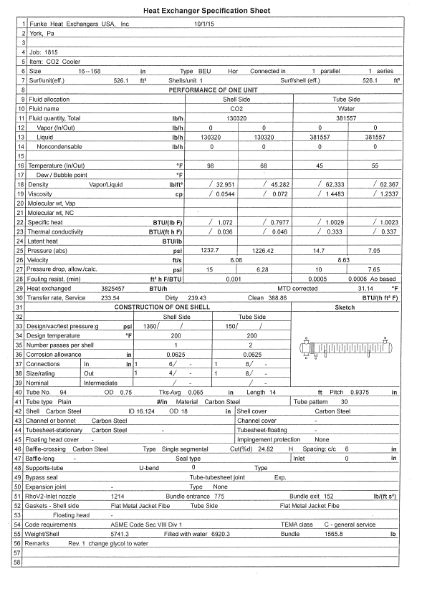
Values from 16168-2 BEU_68F_outlet
U | 233.54 | BTU/ft2-hr-F
LMTD | 31.14 | F
A | 526.1 | ft2
power | 3826028 | BTU/hr
power | 1121.2982287 | kW
co2 mass flow | 130320 | lb/hr
co2 mass flow | 16.420043794 | kg/s
power for loop flow | 819.46058809
 |  |  |  |  |  |  |  | 36.666666667 | in
 |  |  |  |  |  |  |  | 20 | out

Cases
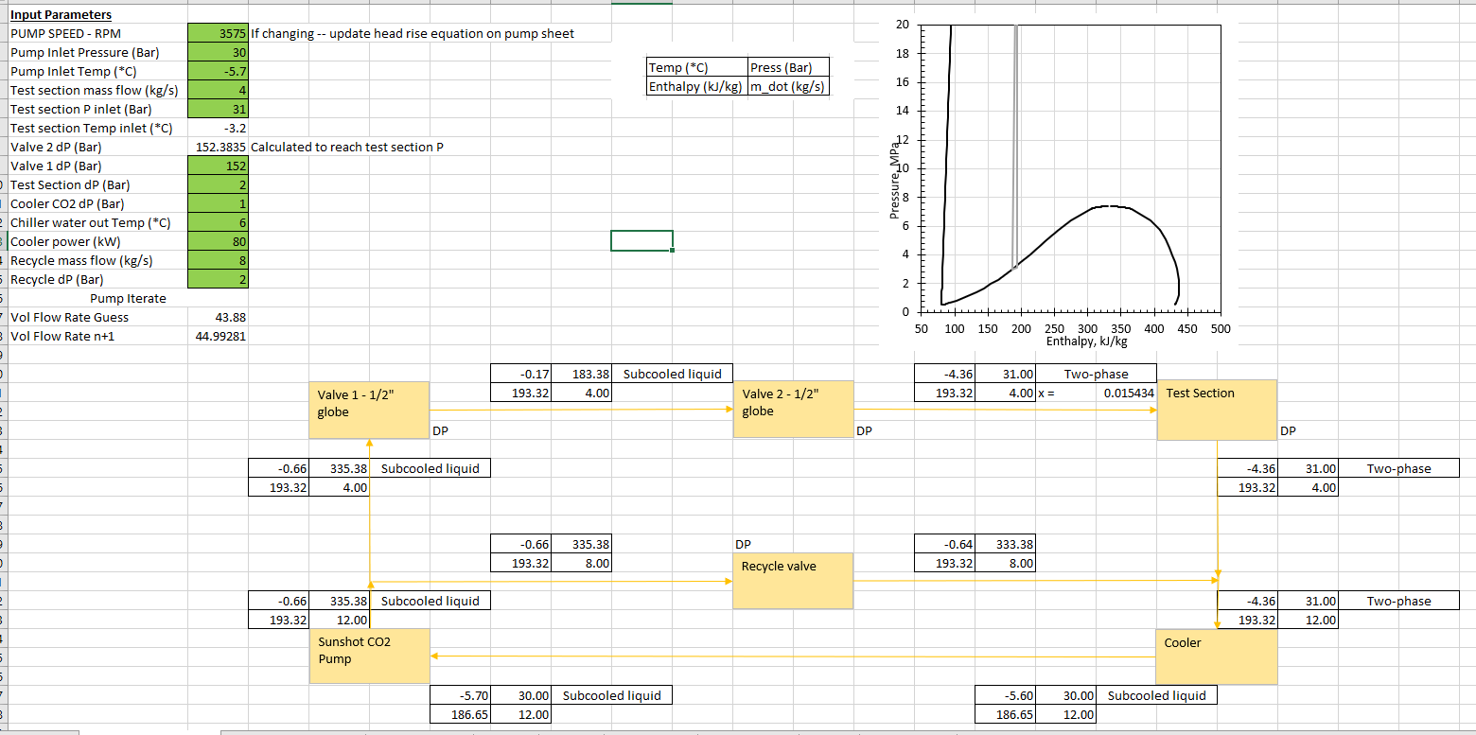
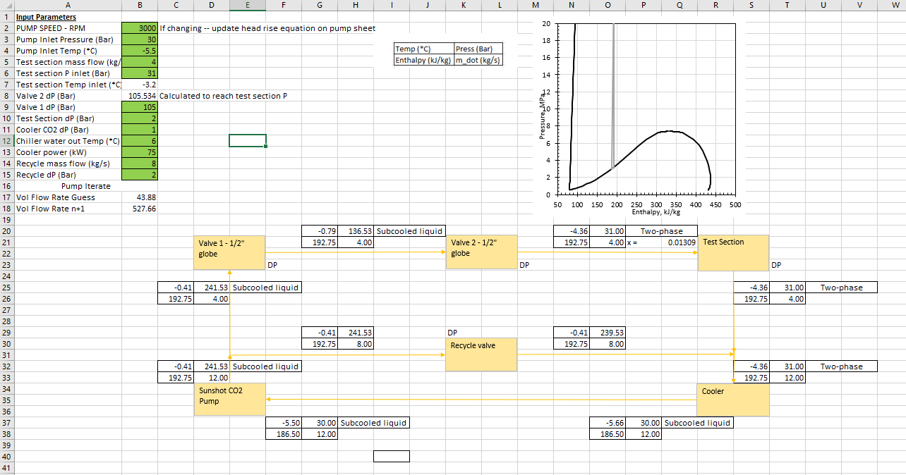

Sunshot Pump Curve
Sunshot
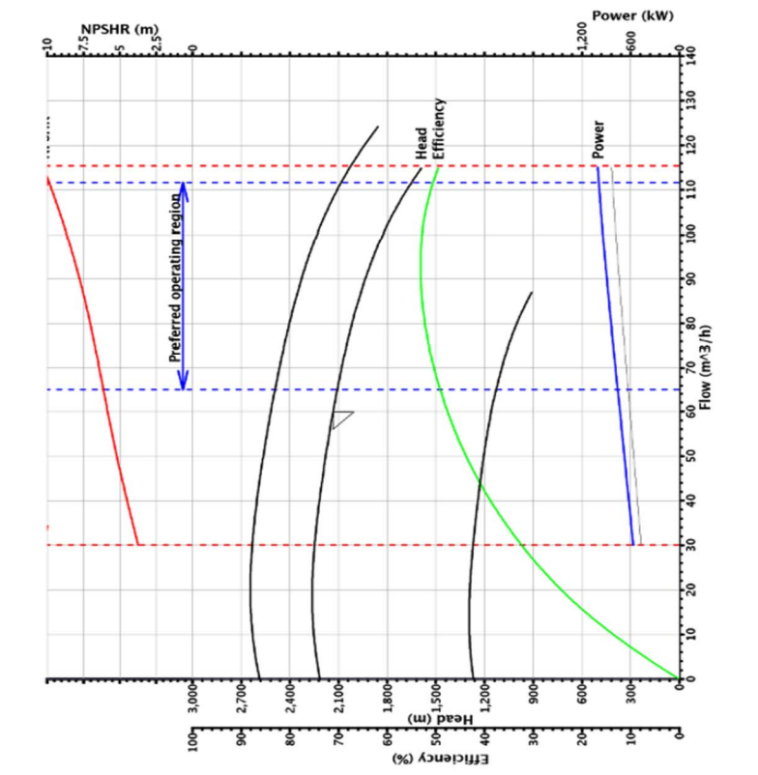
Alternate Case
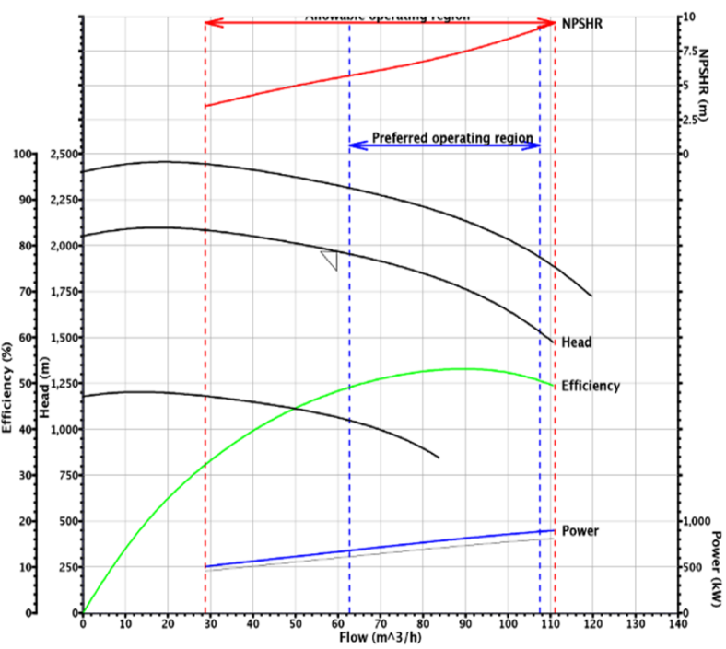
Nominal Case

